date & Incidents
Row Labels | Sum of Incidents
Jan | 57
Feb | 65
Incidents date
Mar | 57
Apr | 14
Grand Total | 193

Incidents
Sum of Incidents | Column Labels
Row Labels | Evening | Morning | Grand Total
Downtown | 40 | 38 | 78
Incidents
Highway | 41 | 21 | 62
Suburbs | 26 | 27 | 53
Grand Total | 107 | 86 | 193

high location
Traffic Volume & location
Row Labels | Sum of Traffic_Volume
Downtown | 40811
Highway | 33802
Suburbs | 35999
Grand Total | 110612

time
Traffic_Volume & Time
Row Labels | Sum of Traffic_Volume
Evening | 60406
Morning | 50206
Grand Total | 110612

dashboard
Traffic_Volume & Incidents

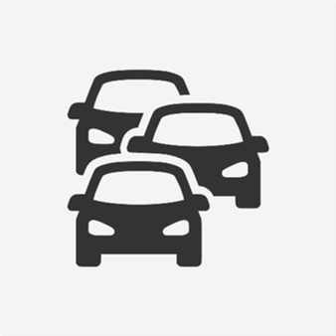
Downtown
Incidents
78
Highway
Incidents
62
Suburbs
Incidents
53
All Incidents
193
Evening
107
Morning
86

Incidents date
 | Total
Jan | 57
Feb | 65
Mar | 57
Apr | 14
Traffic Volume & location
 | Total
Downtown | 40811
Highway | 33802
Suburbs | 35999

Incidents
 | Evening | Morning
Downtown | 40 | 38
Highway | 41 | 21
Suburbs | 26 | 27
 | Total
Evening | 60406
Morning | 50206

